Sheet1
序号/NO | 片区/region | 国家/country | 服务商名称/Dealer name | 姓名/Name | 电话/TEL | 邮箱/Email | 职务/Duty
1 | Cairo | Egypt | Green Option | Isaac adel | +201227883329 | isaac.adel@greenoption.com.eg | CTO
2 | Cairo | Egypt | Green Option | Sameh Massoud | +201212345695 | sameh.massoud@greenoption.com.eg | Chief Engineer
3 | Cairo | Egypt | Green Option | Isaac Megaly | +201119044611 | isaac.megaly@greenoption.com.eg | Service Center Manager
4 | Cairo | Egypt | Green Option | Mahmoud Gaber | +201156660144 | mahmoud.gaber@greenoption.com.eg | Mechanical Maintenance Engineer
5 | Cairo | Egypt | Green Option | Mina Ashraf | +201144040902 | mina.ashraf@greenoption.com.eg | Electrical Maintenance Engineer
6 | Cairo | Egypt | Green Option | Ahmed AbdelGhany | +201118184474 | ahmed.abdelghany@greenoption.com.eg | Embedded Software Engineer
7 | Cairo | Egypt | Green Option | Wageeh Sabahey | +201152349792 | wageeh.sabahey@greenoption.com.eg | General Electrical Technicians Supervisor
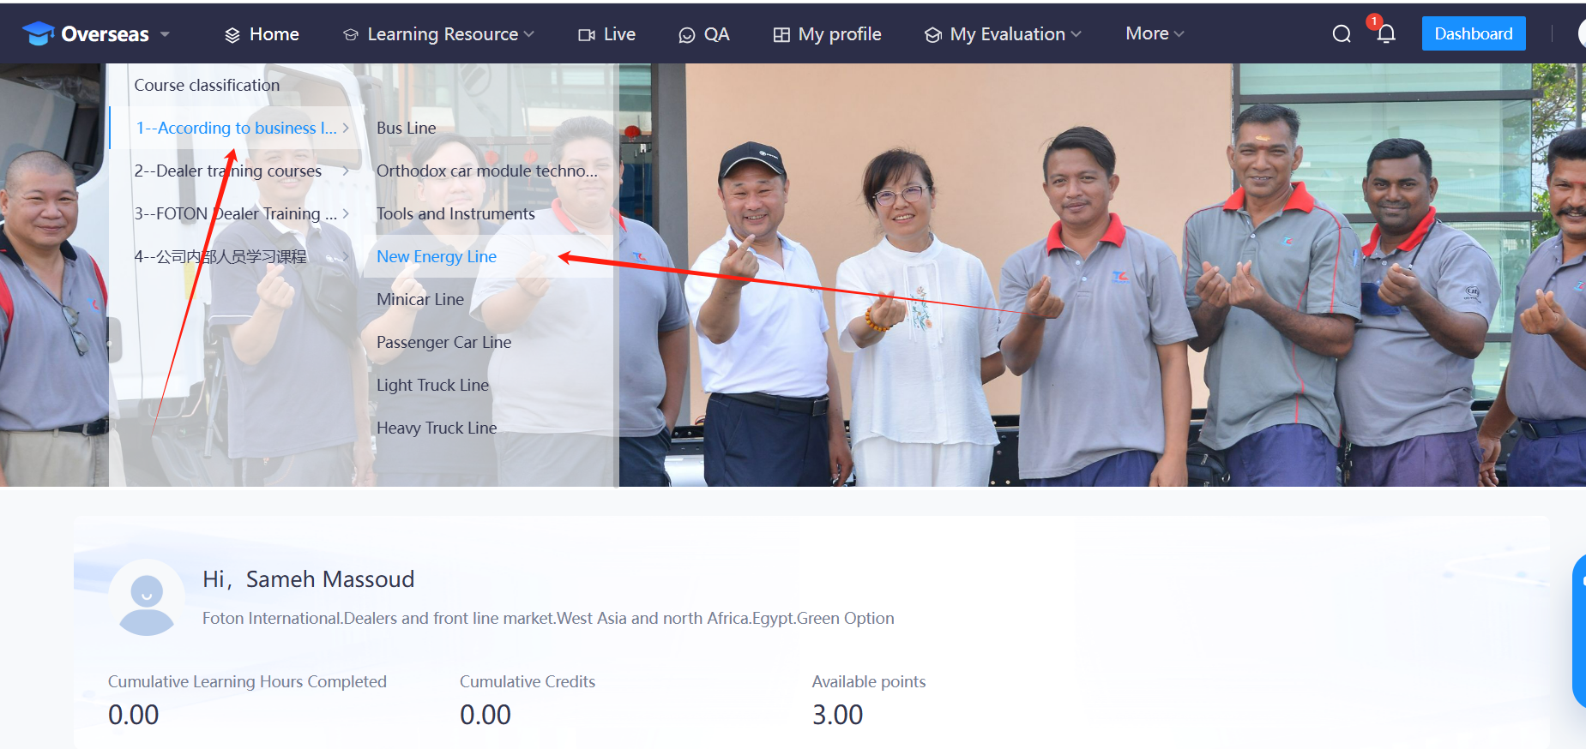

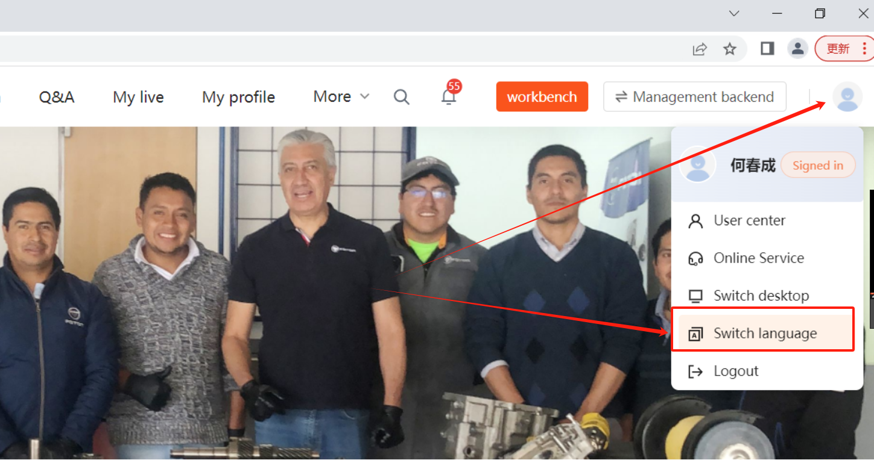
 | Please use Google Chrome for the browser.
序号/NO | Account | Website：https://fgs.21tb.com
1 | isaac.adel@greenoption.com.eg | cipher：Foton@1234567890
2 | sameh.massoud@greenoption.com.eg
3 | isaac.megaly@greenoption.com.eg
4 | mahmoud.gaber@greenoption.com.eg
5 | mina.ashraf@greenoption.com.eg
6 | ahmed.abdelghany@greenoption.com.eg
7 | wageeh.sabahey@greenoption.com.eg

 |  |  | You can switch the language here

